Metricas_Clasificación
Metricas en Train
Métricas sobre el conjunto de entrenamiento

Model | Accuracy | Precision | Recall | F1-Score | TPR | FPR | AUC
KNN | 0.9664 | 0.8828 | 0.7417 | 0.8061 | 0.7417 | 0.0102 | 0.9807
Árbol | 0.9669 | 0.8775 | 0.7532 | 0.8106 | 0.7532 | 0.0109 | 0.9726
Random Forest | 1.0000 | 1.0000 | 1.0000 | 1.0000 | 1.0000 | 0.0000 | 1.0000
Adaboost | 0.9645 | 0.8296 | 0.7840 | 0.8061 | 0.7840 | 0.0167 | 0.9735

Métricas sobre el conjunto de prueba
Metricas en Test

Model | Accuracy | Precision | Recall | F1-Score | TPR | FPR | AUC
KNN | 0.9662 | 0.8786 | 0.7440 | 0.8057 | 0.7440 | 0.0107 | 0.9642
Árbol | 0.9661 | 0.8701 | 0.7518 | 0.8067 | 0.7518 | 0.0117 | 0.9699
Random Forest | 0.9591 | 0.8053 | 0.7461 | 0.7746 | 0.7461 | 0.0187 | 0.9594
Adaboost | 0.9640 | 0.8244 | 0.7845 | 0.8040 | 0.7845 | 0.0173 | 0.9726

Estabilidad KNN
Rangos de probabilidad | low_fare | high_fare | Total | Distribución | Tasa low_fare | Tasa high_fare | Acum low_fare | Acum high_fare | Diff | Momios
(-1,0.1] | 505653 | 6465 | 512118 | 85.67% | 98.74% | 1.26% | 93.39% | 11.47% | 81.93% | 0.0
(0.1,0.2] | 17998 | 3080 | 21078 | 3.53% | 85.39% | 14.61% | 96.72% | 16.93% | 79.79% | 0.2
(0.2,0.3] | 6633 | 2327 | 8960 | 1.50% | 74.03% | 25.97% | 97.94% | 21.05% | 76.89% | 0.4
(0.3,0.4] | 3234 | 1905 | 5139 | 0.86% | 62.93% | 37.07% | 98.54% | 24.43% | 74.11% | 0.6
(0.4,0.5] | 2477 | 2165 | 4642 | 0.78% | 53.36% | 46.64% | 99.00% | 28.27% | 70.73% | 0.9
(0.5,0.6] | 1689 | 2234 | 3923 | 0.66% | 43.05% | 56.95% | 99.31% | 32.23% | 67.08% | 1.3
(0.6,0.7] | 1079 | 2297 | 3376 | 0.56% | 31.96% | 68.04% | 99.51% | 36.31% | 63.20% | 2.1
(0.7,0.8] | 1069 | 3930 | 4999 | 0.84% | 21.38% | 78.62% | 99.71% | 43.28% | 56.43% | 3.7
(0.8,0.9] | 919 | 6780 | 7699 | 1.29% | 11.94% | 88.06% | 99.88% | 55.30% | 44.57% | 7.4
(0.9,1] | 669 | 25203 | 25872 | 4.33% | 2.59% | 97.41% | 100.00% | 100.00% | 0.00% | 37.7
Total | 541420 | 56386 | 597806 | 100.00%

Estabilidad

Estabilidad Arbol
Rangos de probabilidad | low_fare | high_fare | Total | Distribución | Tasa low_fare | Tasa high_fare | Acum low_fare | Acum high_fare | Diff | Momios
(-1,0.1] | 488820 | 4495 | 493315 | 82.52% | 99.09% | 0.91% | 90.28% | 7.97% | 82.31% | 0.0
(0.1,0.2] | 17806 | 2830 | 20636 | 3.45% | 86.29% | 13.71% | 93.57% | 12.99% | 80.58% | 0.2
(0.2,0.3] | 16119 | 2975 | 19094 | 3.19% | 84.42% | 15.58% | 96.55% | 18.27% | 78.28% | 0.2
(0.3,0.4] | 4434 | 2449 | 6883 | 1.15% | 64.42% | 35.58% | 97.37% | 22.61% | 74.76% | 0.6
(0.4,0.5] | 6938 | 2321 | 9259 | 1.55% | 74.93% | 25.07% | 98.65% | 26.73% | 71.92% | 0.3
(0.5,0.6] | 1228 | 1414 | 2642 | 0.44% | 46.48% | 53.52% | 98.88% | 29.23% | 69.64% | 1.2
(0.6,0.7] | 1815 | 3289 | 5104 | 0.85% | 35.56% | 64.44% | 99.21% | 35.07% | 64.15% | 1.8
(0.7,0.8] | 1463 | 2370 | 3833 | 0.64% | 38.17% | 61.83% | 99.48% | 39.27% | 60.21% | 1.6
(0.8,0.9] | 842 | 4480 | 5322 | 0.89% | 15.82% | 84.18% | 99.64% | 47.22% | 52.42% | 5.3
(0.9,1] | 1955 | 29763 | 31718 | 5.31% | 6.16% | 93.84% | 100.00% | 100.00% | 0.00% | 15.2
Total | 541420 | 56386 | 597806 | 100.00%

Estabilidad
Acum Persona_0 y Acum Persona_1

Estabilidad Random Forest
Rangos de probabilidad | low_fare | high_fare | Total | Distribución | Tasa low_fare | Tasa high_fare | Acum low_fare | Acum high_fare | Diff | Momios
(-1,0.1] | 503964 | 1423 | 505387 | 84.54% | 99.72% | 0.28% | 93.08% | 2.52% | 90.56% | 0.0
(0.1,0.2] | 13084 | 696 | 13780 | 2.31% | 94.95% | 5.05% | 95.50% | 3.76% | 91.74% | 0.1
(0.2,0.3] | 8978 | 773 | 9751 | 1.63% | 92.07% | 7.93% | 97.16% | 5.13% | 92.03% | 0.1
(0.3,0.4] | 5915 | 725 | 6640 | 1.11% | 89.08% | 10.92% | 98.25% | 6.41% | 91.83% | 0.1
(0.4,0.5] | 3573 | 728 | 4301 | 0.72% | 83.07% | 16.93% | 98.91% | 7.71% | 91.20% | 0.2
(0.5,0.6] | 2764 | 1232 | 3996 | 0.67% | 69.17% | 30.83% | 99.42% | 9.89% | 89.53% | 0.4
(0.6,0.7] | 1528 | 6326 | 7854 | 1.31% | 19.46% | 80.54% | 99.70% | 21.11% | 78.59% | 4.1
(0.7,0.8] | 828 | 4674 | 5502 | 0.92% | 15.05% | 84.95% | 99.85% | 29.40% | 70.46% | 5.6
(0.8,0.9] | 436 | 5598 | 6034 | 1.01% | 7.23% | 92.77% | 99.94% | 39.33% | 60.61% | 12.8
(0.9,1] | 350 | 34211 | 34561 | 5.78% | 1.01% | 98.99% | 100.00% | 100.00% | 0.00% | 97.7
Total | 541420 | 56386 | 597806 | 100.00%

Estabilidad
Acum Persona_0 y Acum Persona_1

Estabilidad Adaboost
Rangos de probabilidad | low_fare | high_fare | Total | Distribución | Tasa low_fare | Tasa high_fare | Acum low_fare | Acum high_fare | Diff | Momios
(-1,0.1] | 0 | 0 | 0 | 0.00% | #DIV/0! | #DIV/0! | 0.00% | 0.00% | 0.00% | #DIV/0!
(0.1,0.2] | 0 | 0 | 0 | 0.00% | #DIV/0! | #DIV/0! | 0.00% | 0.00% | 0.00% | #DIV/0!
(0.2,0.3] | 0 | 0 | 0 | 0.00% | #DIV/0! | #DIV/0! | 0.00% | 0.00% | 0.00% | #DIV/0!
(0.3,0.4] | 0 | 0 | 0 | 0.00% | #DIV/0! | #DIV/0! | 0.00% | 0.00% | 0.00% | #DIV/0!
(0.4,0.5] | 531574 | 13419 | 544993 | 91.17% | 97.54% | 2.46% | 98.18% | 23.80% | 74.38% | 0.0
(0.5,0.6] | 9846 | 42967 | 52813 | 8.83% | 18.64% | 81.36% | 100.00% | 100.00% | 0.00% | 4.4
(0.6,0.7] | 0 | 0 | 0 | 0.00% | #DIV/0! | #DIV/0! | 100.00% | 100.00% | 0.00% | #DIV/0!
(0.7,0.8] | 0 | 0 | 0 | 0.00% | #DIV/0! | #DIV/0! | 100.00% | 100.00% | 0.00% | #DIV/0!
(0.8,0.9] | 0 | 0 | 0 | 0.00% | #DIV/0! | #DIV/0! | 100.00% | 100.00% | 0.00% | #DIV/0!
(0.9,1] | 0 | 0 | 0 | 0.00% | #DIV/0! | #DIV/0! | 100.00% | 100.00% | 0.00% | #DIV/0!
Total | 541420 | 56386 | 597806 | 100.00%

Tasa Persona_0 y Tasa Persona_1
Acum Persona_0 y Acum Persona_1

Metricas de Regresión
Métricas sobre el conjunto de entrenamiento |  |  |  |  |  | Métricas sobre el conjunto de prueba

Model | MAE | MSE | RMSE | R2 | R2_ADJ | Model | MAE | MSE | RMSE | R2 | R2_ADJ
Regresión lineal | 2.4307 | 26.4122 | 5.1393 | 0.7089 | 1.0000 | Regresión lineal | 2.5056 | 32.4680 | 5.6981 | 0.6368 | 1.0001
Regresión lasso | 2.4455 | 26.4549 | 5.1434 | 0.7084 | 1.0000 | Regresión lasso | 2.5188 | 32.4133 | 5.6933 | 0.6374 | 1.0001
Regresión ridge | 2.4307 | 26.4122 | 5.1393 | 0.7089 | 1.0000 | Regresión ridge | 2.5056 | 32.4679 | 5.6981 | 0.6368 | 1.0001
Red elástica | 2.4820 | 26.5169 | 5.1495 | 0.7077 | 1.0000 | Red elástica | 2.5535 | 32.1982 | 5.6743 | 0.6398 | 1.0001
Árbol de decisión | 2.0448 | 17.2984 | 4.1591 | 0.8093 | 1.0000 | Árbol de decisión | 2.2864 | 24.0360 | 4.9027 | 0.7311 | 1.0001
Adaboost | 3.1637 | 23.2456 | 4.8214 | 0.7438 | 1.0000 | Adaboost | 3.2324 | 27.2822 | 5.2232 | 0.6948 | 1.0001

Métricas en train
Métricas en test

Estabilidades Regresión
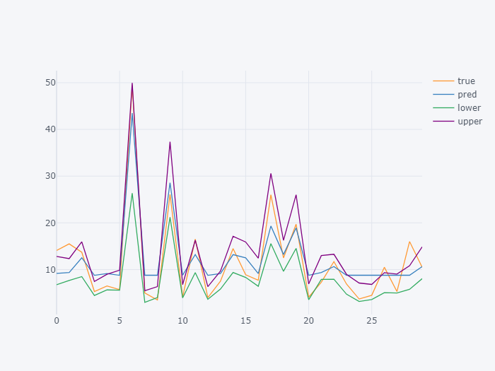
Observación: Se graficó la estabilidad únicamente para 30 registros, para poder visualizarla de forma clara

Regresión lineal
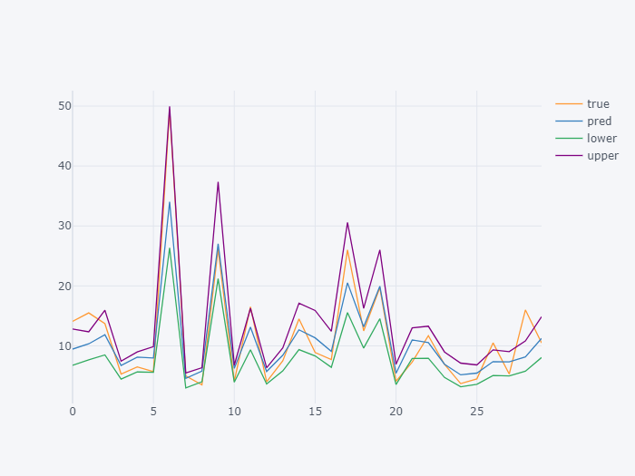

Regresión lasso



Regresión ridge



Red elástica



Árbol de decisión



Adaboost

